PreOrdre simple
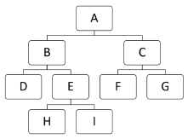
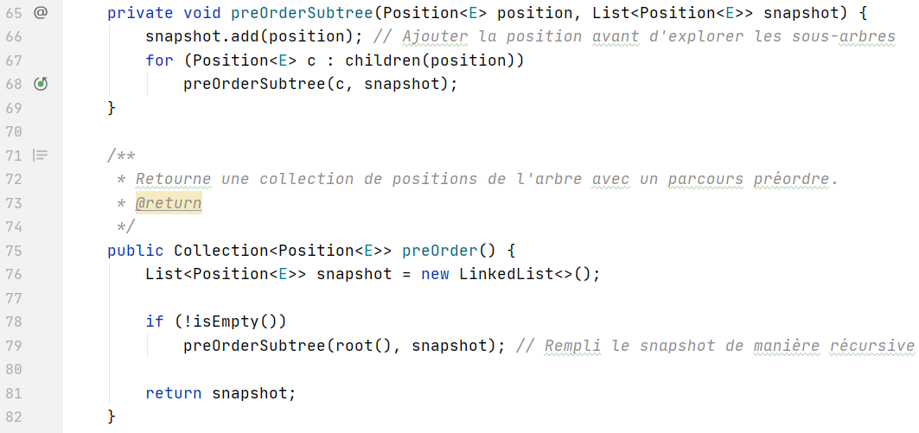
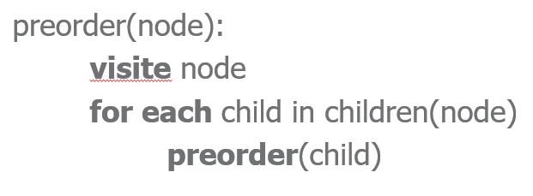

Instructions | root | position | snapshot | children(position) | child c
76 - Etat initial |  |  | {}
79 - debut recursivité | A |  | {}
66 - preOrder |  | A | {A}
67 - for |  |  |  | {B, C}
68 - recursivité |  | B | {A}
66 - |  | B | {A, B}
67 - for |  |  |  | {D, E]
68 - recursivité |  | D | {A, B}
66 |  | D | {A, B, D}

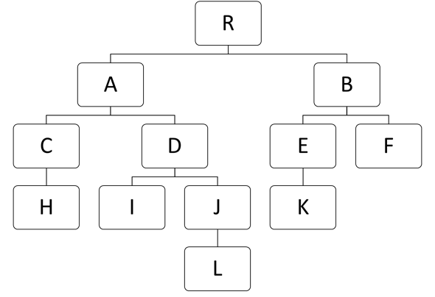

postOrder

Instructions | root | position | snapshot | children(position) | child c
108 - Etat initial |  | R | {}
109 - for |  |  |  | {A, B} | A
110 - recursivité |  | A | {}
109 - for |  |  |  | {C, D} | C
110 - recursivité |  | C | {}
109 - for |  |  |  | {H} | H
110 - recursivité |  | H | {}
109 - for |  |  |  | {}
112 - add |  |  | {H}
112 - add pour C |  |  | {H, C}
109 - for |  |  |  |  | D

Instructions | position | height | children(position) | child | Commentaire
44 - arbre enraciné à A | A
45 |  | 0
46 - for |  |  | {C, D} | C
47 |  | max(0, 1 + ?) |  |  | max(0, 1 + height de C)
45 | C | 0
46 | C |  | {H} | H
47 |  | 1

PreOrdre code
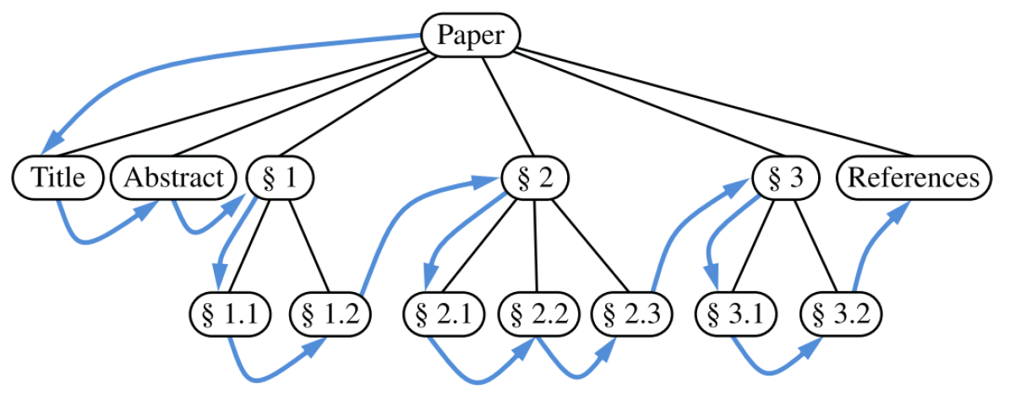

Ligne | Instruction | Commentaire | position | snapshot | children | c/child
76 | Etat initial |  |  | {}
79 | preOrderSubtree |  |  | {}
66 | snapshot.add |  | Paper | {Paper}
67 | for on children |  |  |  | {Title, Abstract, 1, ...}
68 | preOrderSubtree | recursive |  | {Paper} |  | Title
66 | snapshot.add |  | Title | {Paper, Title}
67 | for on children | Aucun enfants de Title |  |  | {}
68 | preOrderSubtree | Recursivité, retour sur la boucle parent |  | {Paper, Title} |  | Abstract
66 | snapshot.add |  | Abstract | {Paper, Title, Abstract}
67 | for on children | Aucun enfant de Abstract |  |  | {}
68 | preOrderSubtree | Recursivité, retour sur la boucle parent |  |  |  | 1
66 | snapshot.add |  | 1 | {Paper, Title, Abstract, 1}
 |  | … et ainsi de suite

